Sheet1
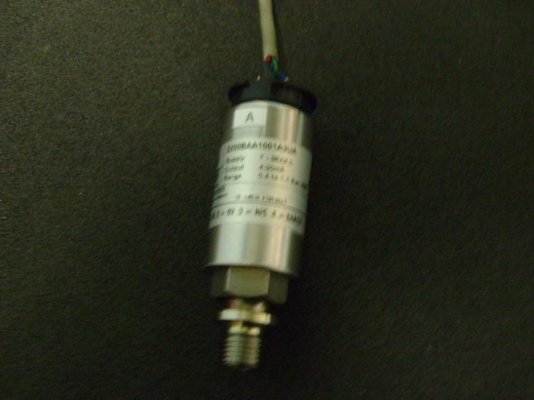
 |  | GEMS Type: 2200BAA1001A3UA
 |  | Range: 0.4-1.1 Bar Abs.
 |  | Output: 4-20 mA
 |  | Supply: 7-30V DC

Sensor A
 | Volts
0 | 3.676
10 | 4.13
20 | 4.62
30 | 5.33

Pressure | Volts

0 | 3.676
10 | 4.13
20 | 4.62
30 | 5.33

