Sheet1
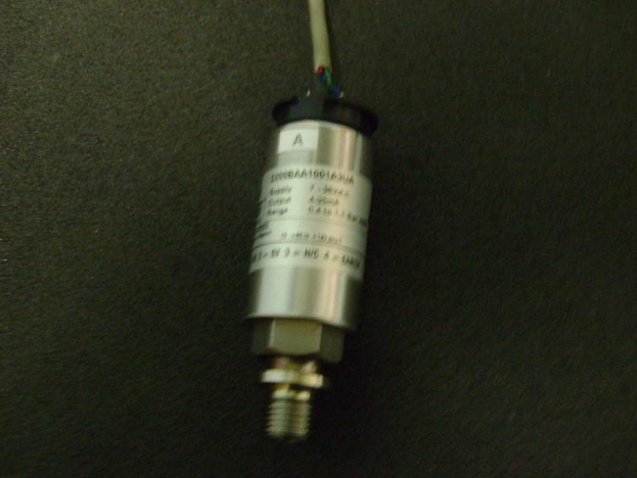
 |  | GEMS Type: 2200BAA1001A3UA
 |  | Range: 0.6-1.1 Bar Abs.
 |  | Output: 4-20 mA
 |  | Supply: 7-30V DC

Pressure | B

0 | 3.11
10 | 3.846
20 | 4.56
SENSOR B
 | B
0 | 3.11
10 | 3.846
20 | 4.56
30 | 5.44
30 | 5.44

