Sheet1
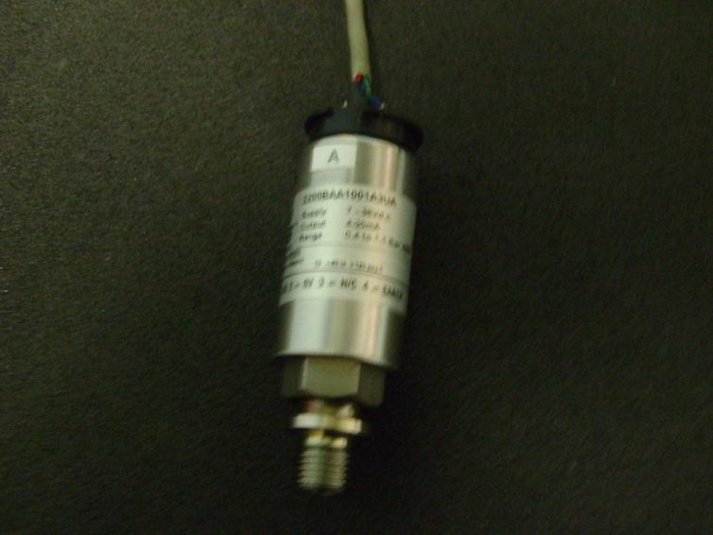
 |  | GEMS Type: 2200BAA1001A3UA
 |  | Range: 0.6-1.1 Bar Abs.
 |  | Output: 4-20 mA
 |  | Supply: 7-30V DC

Sensor C
0 | 3.13
10 | 3.82
20 | 4.64
30 | 5.36
Pressure | C

0 | 3.13
10 | 3.82
20 | 4.64
30 | 5.36

